001_132h_2022q3
Gross domestic product and national income, supply and demand, quarterly by Quarter, Transaction and Information
Quarter | Seasonally and per working day adjusted series at current prices (M€) | Original series at current prices (M€)
2011Q1 | 48989 | 47117
2011Q2 | 49352 | 49810
Gross Domestic Product
2011Q3 | 49702 | 49048
2011Q4 | 49955 | 52023
2012Q1 | 50380 | 48804
2012Q2 | 50085 | 50535
2012Q3 | 50195 | 49487
2012Q4 | 50377 | 52211
2013Q1 | 50480 | 48513
2013Q2 | 51009 | 51660
2013Q3 | 51337 | 50797
2013Q4 | 51495 | 53351
2014Q1 | 51369 | 49325
2014Q2 | 51594 | 52107
2014Q3 | 51945 | 51437
2014Q4 | 51989 | 54028
2015Q1 | 52051 | 49981
2015Q2 | 52935 | 53433
2015Q3 | 53031 | 52413
2015Q4 | 53368 | 55558
2016Q1 | 53894 | 51546
2016Q2 | 53994 | 54892
2016Q3 | 54719 | 54097
2016Q4 | 54911 | 56983
2017Q1 | 55690 | 53770
2017Q2 | 56393 | 56959
2017Q3 | 56741 | 56007
2017Q4 | 57477 | 59565
2018Q1 | 57891 | 55754
2018Q2 | 58110 | 58932
2018Q3 | 58503 | 57743
2018Q4 | 58958 | 61033
2019Q1 | 59268 | 57020
2019Q2 | 59949 | 60557
2019Q3 | 60197 | 59601
2019Q4 | 60444 | 62680
2020Q1 | 60852 | 58366
2020Q2 | 57221 | 57714
2020Q3 | 59742 | 59091
2020Q4 | 60224 | 62867
2021Q1 | 60672 | 57854
2021Q2 | 62215 | 62920
2021Q3 | 63518 | 62815
2021Q4 | 64965 | 67931
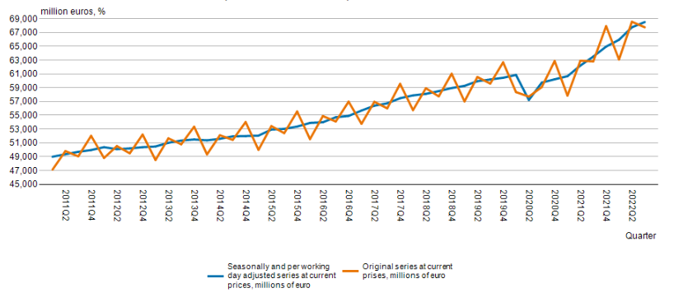
2022Q1 | 65952 | 63098
2022Q2 | 67769 | 68572
2022Q3 | 68526 | 67771

<A HREF='https://stat.fi/en/statistics/documentation/ntp' TARGET=_blank>Documentation of statistics</A>

Latest update:
Seasonally and per working day adjusted series at current prices, millions of euro:
20221216 08:00
Original series at current prises, millions of euro:
20221216 08:00

Source:
Statistics Finland, quarterly national accounts

Contact:
Seasonally and per working day adjusted series at current prices, millions of euro:
<A HREF='https://stat.fi/en/statistics/ntp' TARGET=_blank>Statistics' homepage</A>

Copyright

Units:
Seasonally and per working day adjusted series at current prices, millions of euro:
million euros
Original series at current prises, millions of euro:
million euros

Official statistics

Internal reference code:
001_132h_2022q3

